Home
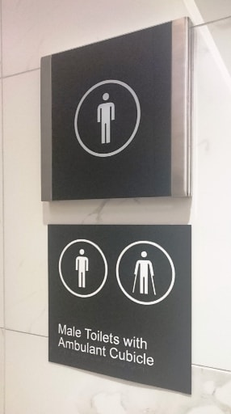
Navigation Menu
v1.01 |  | Access Central Services
16.06.19 |  | Universal design and accessibility consulting Performance (Alternative) Solutions Unjustifiable hardship claims Access management plans Architectural design reviews DDA product certification Risk assessments Disability access audits and access appraisals Dispensations, concessions, waivers Event accessibility, including video captioning Expert witness statements Feasibility reports and due diligence Insurance investigations Peer reviews and second opinions Presenting and lecturing Professional opinions Signage assessments and schedules Passenger lift assessments EgressAbility™
Home
Instructions

Comparison of Two Differing LRV
 | Luminance Contrast Assessment Tool

Multiple LRV Comparison
 | The Luminance Contrast Assessment Tool (LCAT) complies with the methodology outlined in Appendix B of AS 1428.1 (2009) and Appendix E of AS/NZS 1428.4.1 (2009) for assessing the luminance reflective values (LRV) tested in a laboratory and uses the Bowman-Sapolinski equation:

BCA and DDA Provisions

DDA and Universal Design Best Practice
 | C = 125 (Y2 − Y1)/(Y1 + Y2 + 25), where
 | C = luminance contrast
 | Y1 and Y2 = luminance reflectance values (or LRV) of the two surfaces
Definitions
LRV Testing
 | Access Central provides this tool for free.
 | Why have we developed this tool? For two reasons:
 | 1 - To help stakeholders understand their obligations in achieving compliance; and
 | 2 - To give stakeholders the tools to confirm compliance.
Disclaimer

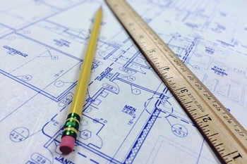
Visit the Access Central website

Email Access Central

Book LRV Testing with LumiLab

Copyright © 2019, Egress Group Pty Ltd, trading as Access Central

Instructions
Navigation Menu
Home
Instructions
 | Please read the information provided in the worksheets of this tool.
 | You can use the Navigation menu to the right to move around.

 | To check the contrast of two differing Luminance Reflective Values (LRV) use the light green button to the right that says "Comparison of Two Differing LRV"
Instructions
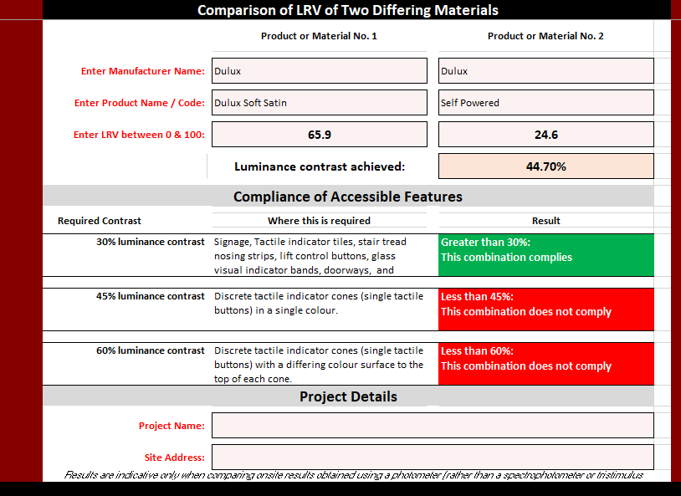
 |  | To the left is an example of how to enter in Dulux paint LRV to find the luminance contrast.
Comparison of Two Differing LRV

Multiple LRV Comparison

BCA and DDA Provisions
 |  | You can only enter text or numbers into the pale pink cells.
DDA and Universal Design Best Practice

 |  | The LRV can be obtained from reputable manufacturers of building elements, such as stair nosing strips, TGSI and paints.
Definitions

LRV Testing

Disclaimer
 | To check multiple combinations of LRV use the light blue button to the right that says "Multiple LRV Comparison" This is very useful if you are comparing options to see which combination is the best (and most compliant). This is an example of how to enter in Dulux paint LRV values to find the best solution.
Visit the Access Central website
Email Access Central
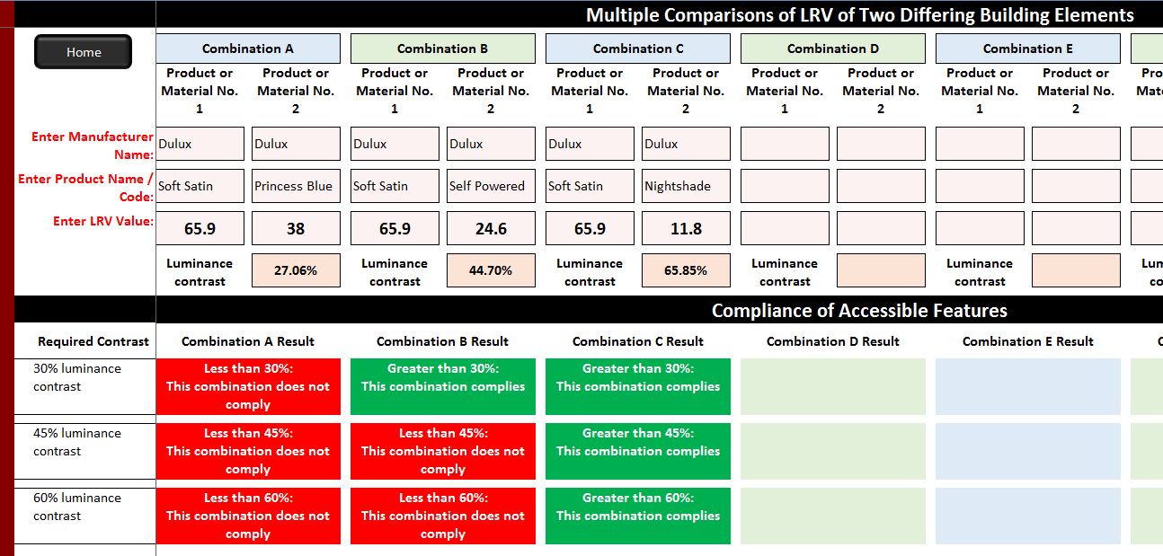
Book LRV Testing with LumiLab

Single Comparision
Navigation Menu
 | Comparison of LRV of Two Differing Materials LRVs must be obtained using a spectrophotometer or tristimulus colourimeter
 |  |  | Product or Material No. 1 | Product or Material No. 2

Home
 | Enter Manufacturer Name: |  | CSS Concrete Colour Systems | SNA Insert Ripple trim Black

Instructions
 | Enter Product Name/Code/Description: |  | Polished Concrete | Ripple trim Black

Comparison of Two Differing LRV
 | Enter LRV between 0 & 100: |  | 45 | 6

Multiple LRV Comparison
 |  |  | Luminance contrast achieved: | 64.14%

BCA and DDA Provisions
 | Compliance of Accessible Features

 |  | Required Contrast | Where this is required | Result

DDA and Universal Design Best Practice
Definitions
 |  | 30% luminance contrast | Integrated tactile indicator tiles, signage, stair tread nosing strips, lift control buttons, glass visual indicator bands, doorways, and accessible toilet seats. | Greater than 30%: This combination complies

LRV Testing
 |  | 45% luminance contrast | Discrete tactile indicator cones (single tactile buttons) in a single colour. | Greater than 45%: This combination complies
Disclaimer
Visit the Access Central website
Email Access Central
 |  | 60% luminance contrast | Composite discrete tactile indicator cones (single tactile buttons) with a differing colour surface to the top of each cone. | Greater than 60%: This combination complies
 | Project Details

 | Project Name:
Book LRV Testing with LumiLab
 | Site Address:
 |  | Results are indicative only when comparing onsite results obtained using a photometer (rather than a spectrophotometer or tristimulus colourimeter).
The luminance reflective values (LRVs) entered into this tool must have been determined in a laboratory in an approved method using the correct instrumentation as outlined in Appendix B of AS 1428.1 (2009) and Appendix E of AS/NZS 1428.4.1 (2009). No reliance can be made on the accuracy of the LCAT or LRVs entered. By using the Access Central LCAT, you acknowledge that Access Central can not be held liable for its use, misuse or the luminance contrast results presented within the LCAT.

Multiple Comparison
Multiple Comparisons of LRV of Two Differing Building Elements or Tactile Indicators LRVs must be obtained using a spectrophotometer or tristimulus colourimeter

Home
 |  | Combination A |  | Combination B |  | Combination C |  | Combination D |  | Combination E |  | Combination F |  | Combination G |  | Combination H
 |  | Product or Material No. 1 | Product or Material No. 2 | Product or Material No. 1 | Product or Material No. 2 | Product or Material No. 1 | Product or Material No. 2 | Product or Material No. 1 | Product or Material No. 2 | Product or Material No. 1 | Product or Material No. 2 | Product or Material No. 1 | Product or Material No. 2 | Product or Material No. 1 | Product or Material No. 2 | Product or Material No. 1 | Product or Material No. 2

Enter Manufacturer Name: |  | Unknown | SNA | Unknown | SNA | Unknown | SNA | Unknown | SNA

Enter Product Name/Code/Description: |  | Concrete-Mid grey | Black Carborundum insert | Concrete-Mid grey | Grey carborundum insert | Concrete-Mid grey | Black ripple trim insert | Concrete-Mid grey | Sovereign gold ripple trim insert

Enter LRV: |  | 37 | 4 | 37 | 36 | 37 | 6 | 37 | 85

 |  | Luminance contrast achieved: | 62.50% | Luminance contrast achieved: | 1.28% | Luminance contrast achieved: | 56.99% | Luminance contrast achieved: | 40.82% | Luminance contrast achieved: |  | Luminance contrast achieved: |  | Luminance contrast achieved: |  | Luminance contrast achieved:

Compliance of Accessible Features

 | Required Contrast | Combination A Result |  | Combination B Result |  | Combination C Result |  | Combination D Result |  | Combination E Result |  | Combination F Result |  | Combination G Result |  | Combination H Result

 | 30% luminance contrast | Greater than 30%: This combination complies |  | Less than 30%: This combination does not comply |  | Greater than 30%: This combination complies |  | Greater than 30%: This combination complies

 | 45% luminance contrast | Greater than 45%: This combination complies |  | Less than 45%: This combination does not comply |  | Greater than 45%: This combination complies |  | Less than 45%: This combination does not comply

 | 60% luminance contrast | Greater than 60%: This combination complies |  | Less than 60%: This combination does not comply |  | Less than 60%: This combination does not comply |  | Less than 60%: This combination does not comply

Results are indicative only when comparing onsite results obtained using a photometer (rather than a spectrophotometer or tristimulus colourimeter. The luminance reflective values (LRVs) entered into this tool must have been determined in a laboratory in an approved method using the correct instrumentation as outlined in Appendix B of AS 1428.1 (2009) and Appendix E of AS/NZS 1428.4.1 (2009). No reliance can be made on the accuracy of the LCAT or LRVs entered. By using the Access Central LCAT, you acknowledge that Access Central can not be held liable for its use, misuse or the luminance contrast results presented within the LCAT.

BCA DDA Requirements
Navigation Menu
Home
National Construction Code 2019, Building Code of Australia (Volume One) (BCA); and DDA Requirements (under Premises Standards & Transport Standards)
Reference | Clause | Accessible Feature | Deemed-to-Satisfy Requirement
BCA & Premises Standards Table D3.1 | AS 1428.1 (2009), Clause 6.6 | Visual indicator / glazing bands on any glazed section capable of being mistaken for an opening | Contrasting visual indicator bands on glazing must provide a minimum of 30% luminance contrast when viewed against the floor surface or surfaces within 2m of the glazing on the opposite side. This must be considered on both sides of the glass.

Instructions
BCA & Premises Standards Table D3.1 and Clause D3.3(a)(ii) | AS 1428.1 (2009), Clause 11.1(f) | Stair tread nosing strips | Each stair tread must have a strip of 50mm to 75mm deep across the full width of the path of travel. The strip may be set back a maximum of 15mm from the front of the nosing. The strip must have a minimum luminance contrast of 30% to the background (i.e. stair tread surface).
Comparison of Two Differing LRV

Multiple LRV Comparison

BCA and DDA Provisions
BCA & Premises Standards Table D3.1 and Clause D3.3(a)(ii) | AS 1428.1 (2009), Clause 11.1(g) | Stair tread nosing strips | Where the luminance contrasting strip is not set back from the front of the nosing then any area of luminance contrast shall not extend down the riser more than 10 mm.

DDA and Universal Design Best Practice
BCA & Premises Standards Table D3.1 and Clause D3.2(b) | AS 1428.1 (2009), Clause 13.1 | Doorways (general in accessible parts of a building) | All doorways must have a minimum luminance contrast of 30% provided between one of the following options: (a) door leaf and door jamb; OR (b) door leaf and adjacent wall; OR (c) architrave and wall; OR (d) door leaf and architrave; OR (e) door jamb and adjacent wall (i.e. just one of these, not all). The minimum width of the contrasting area must be 50mm.
Definitions

LRV Testing

Disclaimer

Visit the Access Central website
BCA & Premises Standards Table D3.1 and Clause F2.4(a) | AS 1428.1 (2009), Clause 15.2.3(e) | Accessible toilet seats | An accessible toilet seat must have a minimum luminance contrast of 30% to the background when viewed from the doorway of the facility (e.g., pan, wall or floor against which it is viewed).

Email Access Central

Book LRV Testing with LumiLab
BCA & Premises Standards Table D3.1 and Clause D3.3(a) | AS/NZS 1428.4.1 (2009), Clause 2.2(b) | Tactile Ground Surface Indicators (or TGSIs) | Tactile Ground Surface Indicators (or TGSIs) must have luminance-contrast to the base surface one of the following options: (i) Where the integrated TGSIs (i.e. tactile tiles) are of the same colour as the underlying surface they require not less than 30% across its entire area. (ii) Where discrete TGSIs (single cones) are used they require not less than 45%. (iii) Where composite discrete TGSIs are used (i.e. single cones using two colours or materials), the raised surface shall have a section that has 60% luminance contrast for a diameter of 25 ±1 mm.
Transport Standards | AS/NZS 1428.4.1 (2009), Appendix D, Note 6 (Informative only) | Bus stop access point paving | Bus door access point may be indicated by the use of luminance contrasting flat pavers to assist wheelchair manoeuvrability.

BCA & Premises Standards Table E3.6b | AS 1735.12 (1999), Clause 7.4.8 | Passenger lift control buttons | Lift control buttons require a 30% contrast to the background if they do not have either of the following: 1. Continuous internal illumination from within the button; OR 2. A coloured border on or around each button at least 3 mm wide. | 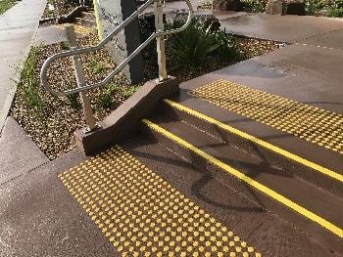
BCA & Premises Standards | BCA Specification D3.6, Clause 4 | Signage | Accessible signage with Braille and tactile text must have: (a) The background, negative space, fill of a sign or border with a minimum width of 5 mm must have a luminance contrast with the surface on which it is mounted of not less than 30%. (b) Tactile characters, icons and symbols must have a minimum luminance contrast of 30% to the surface on which the characters are mounted. (c) Luminance contrasts must be met under the lighting conditions in which the sign is to be located.
BCA Specification F2.9 | Specification F2.9, Clause 4(v) | Accessible adult change facility toilet seat | The toilet seat must have a minimum luminance contrast of 30% against the pan, wall and floor.
BCA Specification F2.9 | Specification F2.9, Clause 4(v) | Accessible adult change facility doorway | All doorways must have a minimum luminance contrast of 30% provided between one of the following options: (a) door leaf and door jamb; OR (b) door leaf and adjacent wall; OR (c) architrave and wall; OR (d) door leaf and architrave; OR (e) door jamb and adjacent wall (i.e. just one of these, not all). The minimum width of the contrasting area must be 50mm.
BCA, Clause H2.2(e) | BCA Clause H2.2(e) | Accessways (defined as a continuous accessible path of travel) | Obstacles that abut an accessway in a public transport building must have a luminance contrast with a background of not less than 30%.
Transport Standards | Clause 2.5(1) | Accessways (defined as a continuous accessible path of travel) | Obstacles that abut an access path must have a luminance contrast with a background of not less than 30%.
Transport Standards | Clause 18.1 | Tactile Ground Surface Indicators (or TGSIs) | Tactile ground surface indicators must be installed on an access path to indicate stairways, ramps, changes of direction, overhead obstructions below a height of 2000 mm, and hazards within a circulation space or adjacent to a path of travel (AS1428.2 (1992) Clause 18.1, Tactile ground surface indicators).
BCA | Clause H2.11 | Tactile Ground Surface Indicators (or TGSIs) | Tactile ground surface indicators must be installed in accordance with AS 1428.4 on an accessway.
BCA, Clause H2.4(a) | AS 1428.2 (1992), Clause 10.1.2 | Stair handrails in public transportation buildings (i.e. airports, train stations, bus terminals, ferry terminals and the like) | Handrails along the sides of ramps and stairs should have a minimum 30% luminance contrast to the wall surface.

DDA Best Practice
Navigation Menu
Home
Disability Discrimination Act and Universal Design Best Practices
Reference | Clause / Page | Accessible Feature | Best Practice Recommendations
Guidelines on the Application of the Premises Standards | Page 85 | Car park bollards | AS/NZS 2890.6 requires a bollard be placed to prevent cars from blocking the shared area of an accessible carparking space. A minimum 30% contrast of the bollard to the surface around the bollard is recommended.

Instructions
BCA Table E3.6b | AS 1735.12, Clause 8.2 | Passenger lift visual information | Visible information within lift cars and lift lobbies should have a minimum 30% luminance factor to that of the background.
Comparison of Two Differing LRV
ISO 21542 (2011) | Clause 10.3 | Threshold ramps (and step ramps) | Threshold ramps in doorway should have a minimum 30% luminance contrast to the floor surface.

Multiple LRV Comparison
ISO 21542 (2011) | Clause 18.1.5 | Visual indicator glazing bands at a lower height | Contrasting visual indicator bands on glazing at a lower height range for shorter people and children, at a minimum of 30% luminance contrast when viewed against the floor surface or surfaces within 2m of the glazing on the opposite side. This must be considered on both sides of the glass.

BCA and DDA Provisions

DDA and Universal Design Best Practice
AS 1428.2, ISO 21542 (2011), BS 8300-2009 (UK) | Clause 23.3(b) Clause 35.1 Appendix B, B1 | Door handles and controls | Door controls should have a min. 30% luminance contrast to the door surface. Though in the UK 15% is considered sufficient.
Definitions
ISO 21542 (2011) | Clause 35.1 | Hazards | Potential hazards should have a minimum 60% luminance contrast to the background surface.
LRV Testing
ISO 21542 (2011) | Clause 35.1 | Electrical controls, switches, air-conditioning panels, security controls, alarm panels and the like | Controls should have a minimum 30% luminance contrast to the background or wall surface.

Disclaimer

Visit the Access Central website
ISO 21542 (2011), BS 8300-2009 (UK) | Clause 35.1 Clause 9.2.3.2 | Signage | Text information on signage should have a minimum 60% luminance contrast to the background surface, though the UL access standards require 70%.
Email Access Central
ISO 21542 (2011) | Clause 9 | Ramp kerbrails | 150mm high kerbrails along the edges of ramps should have a minimum 30% luminance contrast to the background surface.

Book LRV Testing with LumiLab
AS 1428.2 (1992), ISO 21542 (2011), BS 8300-2009 (UK) | Clause 10.1.2 Annex B, Table B.1 Clause 5.10.2 | Handrails | Handrails along the sides of ramps and stairs should have a minimum 30% luminance contrast to the wall surface.
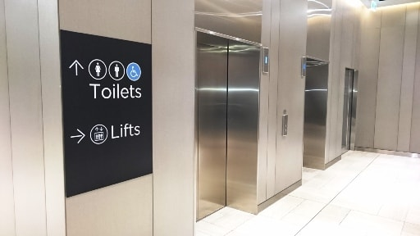
 |  | Grabrails | Grabrails in accessible and ambulant toilets and showers should have a minimum 30% luminance contrast to the wall surface.

2010 ADA Standards for Accessible Design (USA) |  | Keypads | Keypads and function keys should have the characters and numbers that contrast to the key surfaces. Whilst the ADA specified no minimum requirements, 30% luminance contrast is recommended.

AS 1428.2 (1992), BS 8300-2009 (UK) | Clause 27.1(b) Clause 5 | Street furniture, flower tubs, litter bins and signposts | A specific reference to the level of luminance contrast (or visual contrast) is not made in the Standard, so a minimum of 30% is recommended.

BS 8300-2009 (UK) | Clause 5.9.3 | Single steps | A specific reference to the level of luminance contrast (or visual contrast) is not made in the Standard, so a minimum of 30% is recommended within a tread nosing strip in accordance with AS 1428.1 (2009) Clause 11.1(f)(g).

BS 8300-2009 (UK) | Clause 8.2.4 | Ramp surfaces | A specific reference to the level of luminance contrast (or visual contrast) is not made in the Standard, so a minimum of 30% is recommended for the graded/sloped ramp surface.

BS 8300-2009 (UK) | Clause 9.1.1 | Walls | The LRV of a wall should have a minimum of 30% visual contrast from that of the ceiling and of the floor. To avoid giving the wrong impression about the size of a room, skirtings should have the same LRV as the wall so that the junction between the skirting and the floor marks the extent of the room.

BS 8300-2009 (UK) | Clause 13.2.2 | Vehicle access routes | Access routes used by vehicles inside an industrial building should be clearly marked on the floor using colours that provide visual contrast.

Draft AS 1428.4.2 (Released for public comment in 2015) | Clause 2.5.2 | Vehicle access routes | A 200mm to 300mm high horizontal band or line at the base of the wall should have a minimum 30% luminance contrast with the remaining horizontal pedestrian surface and the vertical skirting or strip it is viewed against.

Draft AS 1428.4.2 (Released for public comment in 2015) | Clause 2.5.3.1 | Pedestrian access routes | A 100mm to 300mm wide band of a differing textural surface alongside an accessible path of travel, with a minimum 30% luminance contrast with the adjacent pedestrian surface.

Draft AS 1428.4.2 (Released for public comment in 2015) | Clause 3.5.3.3 | Mapping pictograms | Mapping pictograms must have a minimum of 30% luminance contrast with all adjacent surfaces.

 |  | Interior furniture | Any furniture in public spaces should have a minimum 30% luminance contrast between furniture and horizontal surfaces.

AS 1428.2 (1992) | Appendix A, A4 | Reception counters, sales counters, ticket booths etc. | Any counters for customer service should have a minimum 30% luminance contrast between vertical and horizontal surfaces.

DR AS 1428.4.2 (Released for public comment in 2017) | Clause 4.1(c) | Visual and raised tactile signage | Where the wall surface on which the sign is mounted is not consistent in colour, is transparent, or is patterned, a border around the sign a minimum of 5 mm shall be provided to achieve 30% luminance contrast with the background of the sign.
DR AS 1428.4.2 (Released for public comment in 2017) | Clause 4.1(e) | Visual and raised tactile signage | A minimum luminance contrast of 30% shall be provided between all text, graphics and the adjacent background.
DR AS 1428.4.2 (Released for public comment in 2017) | Clause 4.3.2(iii) Appendix B, Clause B.4(iii) | Pictograms on signage | Visual pictograms shall have a 30% luminance contrast with the surface they are viewed against.
DR AS 1428.4.2 (Released for public comment in 2017) | Clause 4.3.3(c) Appendix B, Clause B.4(iii) | Raised tactile pictograms on signage | Raised tactile pictograms, when used on raised tactile and Braille signs shall be manufactured to have a minimum of 30% luminance contrast with any adjoining surface colour.
DR AS 1428.4.2 (Released for public comment in 2017) | Appendix E, Clause E.4.3(e) | Raised tactile and braille maps | On tactile maps, Braille shall have no or minimal (less than 10%) luminance or colour contrast with the surface it is viewed against.
DR AS 1428.4.2 (Released for public comment in 2017) | Appendix E, Clause E.5.2(i)(j) | Raised tactile mapping pictograms | Mapping pictograms shall— have a minimum of 30 % luminance contrast with all adjacent surfaces; or have a 1mm visual border that has a minimum of 30 % luminance contrast with all adjacent surfaces.
AS 1428.4.2 (2018) | Clause 5.1(c) | Tactile signs | A minimum luminance contrast of 30 % shall be provided between the sign background and all content elements such as text and graphics.
AS 1428.4.2 (2018) | Clause 5.1(d) | Tactile signs | To provide sufficient luminance contrast of the sign to the background surface: (i) Where the wall surface colour is constant, the sign shall provide a 30 % luminance contrast to the wall. (ii) Where the wall surface is not consistent in colour or is patterned, a border around the sign a minimum of 10 mm in width shall be provided to achieve a 30% luminance contrast with the sign background. (iii) Where the sign is mounted on a transparent surface then the sign shall provide a 10 mm border which shall provide a 60% luminance contrast to the sign background.
AS 1428.4.2 (2018) | Clause 5.3.2 | Raised tactile pictograms | Raised tactile pictograms, when used on tactile signs shall have a minimum of 30 % luminance contrast with any adjoining surface.
AS 1428.4.2 (2018) | Appendix G, Clause G.4.3(e) | Raised tactile and braille maps | On tactile maps, braille should have no or minimal (less than 10%) luminance or colour contrast with the surface it is viewed against.
AS 1428.4.2 (2018) | Appendix G, Clause G.4.3(i) | Raised tactile and braille maps | Have a strong colour contrast with all adjacent surfaces; or have a minimum of 1mm visual border that has a minimum of 30% luminance contrast with all adjacent surfaces.

Definitions
Navigation Menu
Home
Instructions
Definitions
Reference | Clause | Term or Phrase | Definition
AS/NZS 1428.4.1 (2009) | Clause 1.4.3A | Composite discrete TGSIs | Composite discrete tactile ground surface indicators, tactile ground surface indicators that are individually installed and which provide a differing luminance for the sloping sides and the upper surface of the truncated cone.
Comparison of Two Differing LRV
AS/NZS 1428.4.1 (2009) | Clause 1.4.6 | Directional indicator | An indicator used to indicate direction of travel through a space or to an object or service.
Multiple LRV Comparison
BCA and DDA Provisions
AS/NZS 1428.4.1 (2009) | Clause 1.4.8 | Discrete TGSIs | Discrete Tactile Ground Surface Indicators, tactile ground surface indicators that are individually installed, which provide the same luminance for the sloping sides and upper surface of the truncated cone.
DDA and Universal Design Best Practice
AS/NZS 1428.4.1 (2009), AS 1428.1 (2009), AS 1428.4.2 (2018), Building Code of Australia, Volume 1 | Clause 1.4.15 Clause 4.11 Clause A1.1 | Luminance contrast | The light reflected from one surface or component, compared to the light reflected from another surface or component.
Definitions
LRV Testing
AS/NZS 1428.4.1 (2009) AS 1428.1 (2009) | Clause 1.4.26 Clause 4.22 | TGSIs | Tactile ground surface indicators, truncated cones and/or bars installed on the ground or floor surface designed to provide pedestrians who are blind or vision-impaired with warning or directional orientation information.
Disclaimer
AS/NZS 1428.4.1 (2009) | Clause 1.4.27 | Tactile indicators | Indicators designed to provide blind or vision-impaired pedestrians with orientation information by means of tactile perception.
Visit the Access Central website
Email Access Central
AS/NZS 1428.4.1 (2009) | Clause 1.4.12 | Integrated TGSIs | Tactile ground surface indicators that are in a defined pattern and which are of the same luminance and material as the base surface.
Book LRV Testing with LumiLab
AS/NZS 1428.4.1 (2009) | Clause 1.4.31 | Warning indicator | An indicator that is used as a warning of a hazard and the need to stop, consider, investigate and wait before proceeding.
AS 1428.1 (2009), Building Code of Australia, Volume 1 | Clause 4.1 Clause A1.1 | Accessible | Having features to enable use by people with a disability.
AS 1428.1 (2009) | Clause 4.4 | Braille | A system of touch reading for the blind, which employs raised dots that are evenly arranged in quadrangular letter spaces or cells.
AS 1428.1 (2009) | Clause 4.6 | Continuous accessible path of travel | An uninterrupted path of travel to, into or within a building providing access to all accessible facilities.
AS 1428.1 (2009) | Clause 4.8 | Hazard | Any area or fixed object in or immediately adjacent to a direction of travel, which may place people at risk of injury.
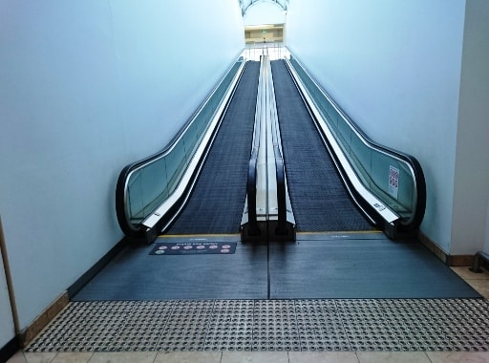
AS 1428.1 (2009) | Clause 4.12 | Luminance factor | The ratio of luminance of a surface to that of a perfect reflector, identically illuminated.
AS 1428.1 (2009) | Clause 4.23 | Tactile signs | Signage incorporating raised text, and/or symbols and Braille to enable touch reading by people who are blind or who are vision-impaired.
Building Code of Australia, Volume 1 (BCA) | Clause A1.1 | Deemed-to-Satisfy Provisions | Deemed-to-Satisfy Provisions means provisions which are deemed to satisfy the Performance Requirements.
Building Code of Australia, Volume 1 (BCA) | Clause A1.1 | Deemed-to-Satisfy Solution | Deemed-to-Satisfy Solution means a method of satisfying the Deemed-to-Satisfy Provisions.
Building Code of Australia, Volume 1 (BCA) | Clause A1.1 | Performance Requirements | Performance Requirement means a requirement which states the level of performance which a Performance Solution or Deemed-to-Satisfy Solution must meet.
Building Code of Australia, Volume 1 (BCA) | Clause A1.1 | Performance Solution (Alternative Solution) | Performance Solution (Alternative Solution) means a method of complying with the Performance Requirements other than by a Deemed-to-Satisfy Solution.
BS 8300-2009 (UK) | Appendix B, Clause B1 | LRV | The main feature of a surface, which appears to be strongly correlated with the ability of blind and partially sighted people to identify differences in colour, is the amount of light the surface reflects, or its Light Reflectance Value (LRV), also referred to sometimes as the Luminous Reflectance Value.
AS/NZS 1428.4.1 (2009) | Clause 1.4.5 | Vision impairment | Any significant loss of sight.
AS/NZS 1428.4.2 (2018) | Clause 1.4.3 | Colour contrast | When the difference between colours enables elements to be distinguished
AS/NZS 1428.4.2 (2018) | Clause 1.4.5 | Luminance Reflectance Value (LRV) | The photometric measurement of visible light reflected by a surface when illuminated by a light source.

LRV Testing
Navigation Menu
LRV Testing
 | Why have luminance contrast? The Luminance Contrast Assessment Tool (LCAT) is suitable for comparing luminance reflective values (LRV) to see if compliance can be achieved. Where it is necessary to achieve sufficient luminance contrast between building elements, this can usually be achieved by using very dark or very light materials. Luminance contrast between building elements or TGSIs is the difference in the amount of light reflected (luminance reflectance) from the 1st surface compared to the amount of light reflected from the 2nd surface. The intent of a suitable luminance contrast is to ensure that accessible features are identifiable for everyone, including those with reduced vision.
Home

Instructions

Comparison of Two Differing LRV

Multiple LRV Comparison
 | What is the minimum luminance contrast ratings? Any accessible building element must have a minimum luminance contrast of 30% compared to the amount of light reflected from the second building element (usually the backing surface). TGSIs on stair and ramp landings require a minimum luminance contrast of: - 30% for inegrated tactile tiles (in one solid colour), - 45% for discrete indicators (being single coloured individually installed cones), or - 60% for composite discrete composite indicators (in two colours). In some places, it may be necessary to test TGSIs or building elements when wet and dry.
BCA and DDA Provisions

DDA and Universal Design Best Practice

Definitions

LRV Testing
 |  |  | t the

Disclaimer
 | What are the luminance contrast test methods? AS 1428.1 (2009) Appendix B (‘informative’ guidance material for building elements), and AS/NZS 1428.4.1 (2009) Appendix E (‘normative’ requirements for TGSIs), set out two methods for measuring the LRV, the first in a laboratory, the second using an on-site methodology. *** Note – The LRVs to be entered into the LCAT must have been determined using laboratory testing methodology in an approved method using the correct instrumentation as outlined in Appendix B of AS 1428.1 (2009) and AS/NZS 1428.4.1 (2009) Appendix E. *** For laboratory testing to fully comply with: - the ‘informative’ guidance in AS 1428.1 (2009) Appendix B; and - the ‘normative’ Deemed-to-Satisfy’ requirements of AS/NZS 1428.4.1 (2009) Appendix E; The LRV must have been measured using either a tristimulus colourimeter or a spectrophotometer, both with a diffused illumination of d/0 geometry, using CIE Standard Illuminant D65. The instrument has to be capable of measuring absolute CIE for Yxy to be calculated. The measured LRV is defined by the tristimulus value Y. The chromaticity coordinates x and y provide an indication of the colour. Please note that there are many instruments being used in the marketplace that do not meet these requirements. This test method in both AS 1428.1 (2009) and AS/NZS 1428.4.1 (2009) is not suitable for measuring the LRV of translucent materials or illuminated objects. It is less applicable where the measured surface is not uniformly coloured, and in such cases, additional results will be taken to average out the results.
Visit the Access Central website
Email Access Central

Book LRV Testing with LumiLab

 |  | 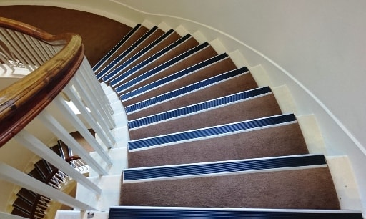
 | Is all luminance contrast testing equipment the same? As highlighted above, AS 1428.1 (2009) Appendix B (‘informative’ for building elements), and AS/NZS 1428.4.1 (2009) Appendix E (‘normative’ requirements for TGSIs), set out two methods for measuring the LRV, the first in a laboratory, the second using an on-site methodology: - Laboratory testing equipment includes a spectrophotometer or a tristimulus colourimeter; OR - Equipment for the onsite methodology includes the use of a photometer on a tripod. Please also note that spectrophotometers do not have the correct geometry specified in the access standards (being d/0, which means that the diffused illumination and normal viewing has the measuring part of the equipment at 0 or zero degrees) and any results from equipment not using a d/0 geometry obtained using this type of equipment should be treated with a little caution in terms of meeting the prescriptive requirements of AS/NZS 1428.4.1 (2009). Please ensure when entering LRV data that any results obtained using a spectrophotometers has the correct geometry in the equipment also. As stated above, most apparatus does not have a d/0 geometry and actually have a d/8 or d/45 / 45/0 (meaning the instrument illuminates at an angle of 8 degrees or 45 degrees). There are some colourimeters being used by industry that do not comply with the requirements of the access standards and do not use CIE Standard Illuminant D65.

Disclaimer
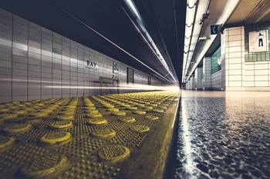
Navigation Menu
Disclaimer
 |  |  | The Access Central Luminance Contrast Assessment Tool (LCAT) is provided to our existing clients, and future clients, to help with specifying compliant products, finishes and materials.
Home

Instructions
 |  | Universal design and accessibility consulting Performance (Alternative) solutions Unjustifiable hardship claims Access management plans Architectural design reviews DDA product certification Risk assessments Disability access audits and access appraisals Disability egress and evacuation Personal emergency evacuation plans Dispensations, concessions, waivers Event accessibility, including video captioning Expert witness statements Feasibility reports and due diligence Insurance investigations Peer reviews and second opinions Presenting and lecturing Professional opinions Signage assessments and schedules | The luminance reflective values to be entered into this tool must have been determined in a laboratory in an approved method using the correct instrumentation as outlined in Appendix B of AS 1428.1 (2009) and Appendix E of AS/NZS 1428.4.1 (2009). No reliance may be made on the accuracy of the LCAT or LRVs entered. By way of using the Access Central LCAT, you acknowledge that Access Central can not be held liable for its use, misuse or the luminance contrast results presented within the LCAT.

Comparison of Two Differing LRV

Multiple LRV Comparison

BCA and DDA Provisions
 | Visit us at Access Central to learn more about what we do, how we do it, and what makes us different from other DDA / access consultancy firms.

DDA and Universal Design Best Practice

Definitions

LRV Testing

Disclaimer

Visit the Access Central website

Email Access Central
Book LRV Testing with LumiLab

LumiLab
LumiLab
Luminance Contrast Testing Services
Tactile Indicators, signage, carpet, bathroom fixtures, handrails, grabrails, switches & controls, linemarking, bollards, tiling, furniture
P: 1300 1428 4 1
W: www.lumilab.com.au
E: info@lumilab.com.au

Navigation Menu

Home

Instructions

Comparison of Two Differing LRV

Multiple LRV Comparison

Copyright © 2019, Egress Group Pty Ltd, trading as LumiLab
BCA and DDA Provisions

DDA and Universal Design Best Practice

Definitions

LRV Testing

Disclaimer

Visit the Access Central website

Email Access Central

Book LRV Testing with LumiLab

